D1
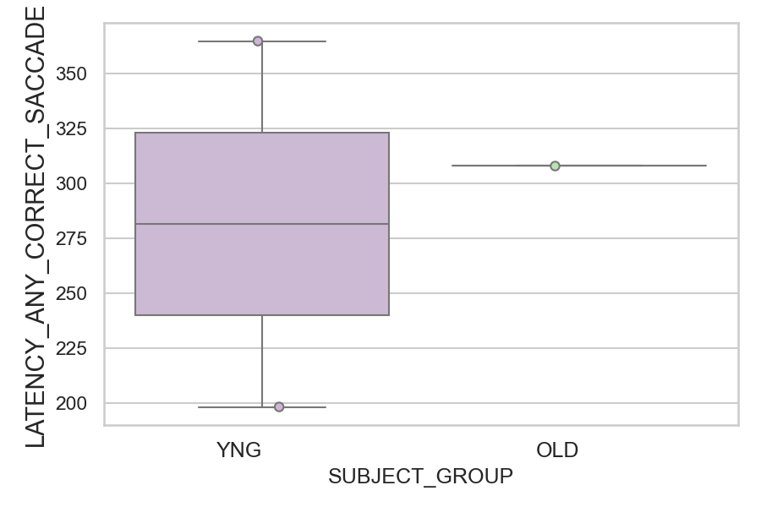
Latency of the correct or corrected saccades (ms)(mean latency of all trials per subject)
SUBJECT_NAME | SUBJECT_GROUP | SUBJECT_AGE | VALUE
AW002AF | YNG | 19 | 364.85714286
CP001CTA | OLD | 65 | 308
AW001CG | YNG | 19 | 198.14285714

D1 (types)
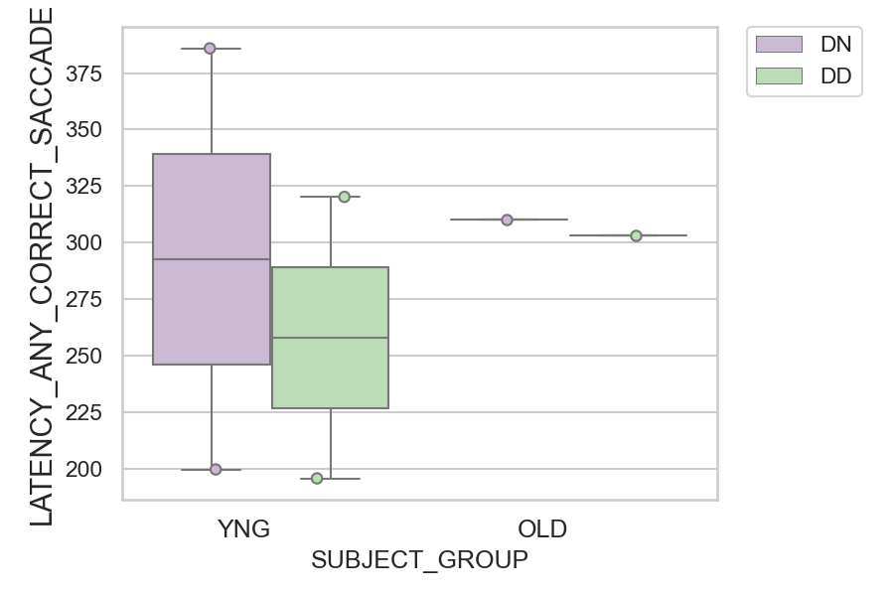
Latency of the correct or corrected saccades (ms)(mean latency of all trials per subject)
SUBJECT_NAME | SUBJECT_GROUP | CONDITION_APPEARANCE | SUBJECT_AGE | VALUE
AW002AF | YNG | DN | 19 | 386
AW002AF | YNG | DD | 19 | 320.22222222
CP001CTA | OLD | DN | 65 | 310.31578947
CP001CTA | OLD | DD | 65 | 303.11111111
AW001CG | YNG | DN | 19 | 199.55555556
AW001CG | YNG | DD | 19 | 195.6

